Sheet1

PROJECT TITLE | HOME AUTOMATION USING ARTIFICIAL INTELLIGENCE
PROJECT MANAGER | MAHESHWARMAN S/O BALAKRISHNAN (B031910007)
GROUP MEMBERS | 1) MOHAMMAD TARIQ ALI BIN SALAMUDEEN ALI (B031910049) 2)MOHAMMED SADEQ NOMAN (B031910498)
COMPANY NAME | OurAI
DATE | 19-Nov-21

Net Present Value (NPV)

 |  | 2021 | 2022 | 2023 | 2024 | 2025 | 2026 | 2027 | 2028
 |  | Initial Investments | Plan | Plan | Plan | Plan | Plan | Plan | Plan

Cash Flows |  | RM680,870.00 | RM599,165.60 | RM527,265.73 | RM463,993.84 | RM408,314.58 | RM359,316.83 | RM316,198.81 | RM278,254.95
Discounted Rate (Risk) | 12.00%
NPV (Manual) | RM1,354,135.83 |  | RM534,969.29 | RM420,333.01 | RM330,261.65 | RM259,491.30 | RM203,886.02 | RM160,196.16 | RM125,868.41
NPV (Formula) | RM1,354,135.83
NPV (%) | 66.17%
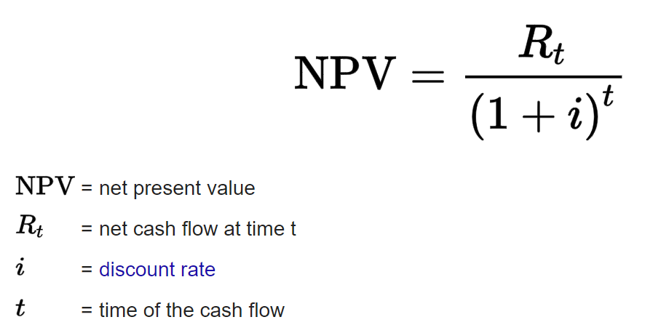

 | Cost estimation breakdown
Software | Windows Server Software | RM3,000.00
 | GoogleColab Services | RM2,600.00
Hardware | Server | RM96,000.00
 | Laptops | RM12,000.00
 | RAM | RM89,600.00
Formulas
Calculation of PV ='Cash flow of that year'/((1+'Discounted Rate (Risk)')^('Current year'-'Initial year'))
NPV (Manual) = Sum of all NP calculated manually =sum('First year's NP':'Final year's NP')
NPV (Formula) =NPV('Discounted Rate (Risk)', 'Cash Flow of first year':'Cash Flow of final year')
NPV (%) =((ABS('Initial Investments'-'value of NPV'))/(('Initial Investments'+'value of NPV')/2))
 | CPU | RM9,600.00
 | Wires/Cables | RM500.00
 | Cooling equipment | RM1,600.00
 | Hard Disks | RM19,520.00
 | Connecters | RM1,000.00
 | Speakers | RM20,000.00
 | Microphones | RM5,000.00
 | Raspberry Pi | RM6,600.00
 | SD card | RM3,000.00
 | Server balancer | RM90,000.00
 | Repair Kits | RM2,500.00
Utility | Furniture | RM8,000.00
 | Rent | RM36,000.00
 | Electricity & Water Bill | RM40,200.00
 | Salary | RM186,000.00
 | Insurance | RM14,400.00
 | Wi-Fi | RM6,000.00
 | Office tools | RM750.00
Manufacturing | Manufacturing Cost | RM20,000.00
 | Packing Cost | RM5,000.00
 | Delivery Cost | RM1,500.00
 | Travelling Cost | RM500.00
Sum |  | RM680,870.00

